Sheet3
Aitkin County | 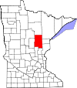 | Aitkin County
Anoka County |  | Anoka County
Becker County |  | Becker County
Beltrami County | 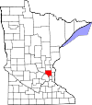 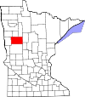 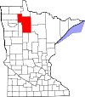 | Beltrami County
Benton County | 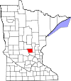 | Benton County
Big Stone County |  | Big Stone County
Blue Earth County | 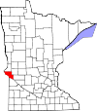 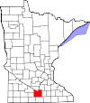 | Blue Earth County
Brown County | 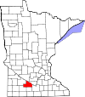 | Brown County
Carlton County |  | Carlton County
Carver County | 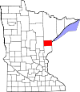 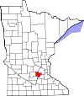 | Carver County
Cass County | 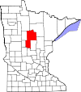 | Cass County
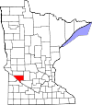
Chippewa County |  | Chippewa County
Chisago County |  | Chisago County
Clay County |  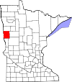 | Clay County
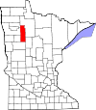
Clearwater County |  | Clearwater County
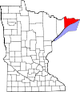
Cook County |  | Cook County
Cottonwood County |  | Cottonwood County
Crow Wing County |  | Crow Wing County
Dakota County | 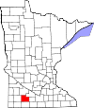 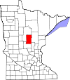 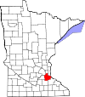 | Dakota County
Dodge County |  | Dodge County
Douglas County | 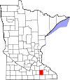 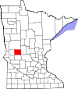 | Douglas County
Faribault County | 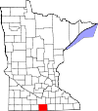 | Faribault County
Fillmore County | 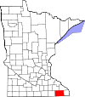 | Fillmore County
Freeborn County |  | Freeborn County
Goodhue County | 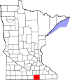 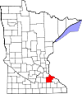 | Goodhue County
Grant County |  | Grant County
Hennepin County | 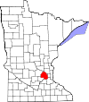 | Hennepin County
Houston County |  | Houston County
Hubbard County | 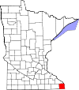 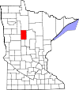 | Hubbard County
Isanti County | 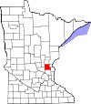 | Isanti County
Itasca County | 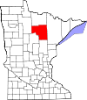 | Itasca County
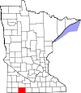
Jackson County |  | Jackson County
Kanabec County |  | Kanabec County
Kandiyohi County |  | Kandiyohi County
Kittson County | 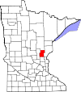 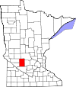 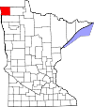 | Kittson County
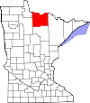
Koochiching County |  | Koochiching County
Lac qui Parle County |  | Lac qui Parle County
Lake County |  | Lake County
Lake of the Woods County | 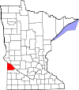 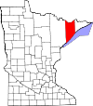 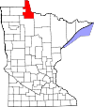 | Lake of the Woods County
Le Sueur County |  | Le Sueur County
Lincoln County | 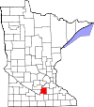 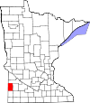 | Lincoln County
Lyon County | 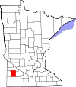 | Lyon County
McLeod County |  | McLeod County
Mahnomen County |  | Mahnomen County
Marshall County | 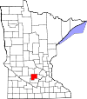 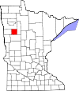 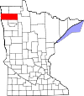 | Marshall County
Martin County |  | Martin County
Meeker County | 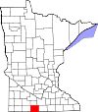 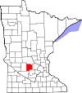 | Meeker County
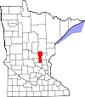
Mille Lacs County |  | Mille Lacs County
Morrison County |  | Morrison County
Mower County | 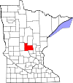 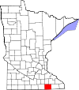 | Mower County
Murray County | 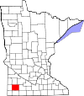 | Murray County
Nicollet County | 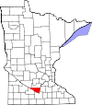 | Nicollet County
Nobles County |  | Nobles County
Norman County |  | Norman County
Olmsted County |    | Olmsted County
Otter Tail County |  | Otter Tail County
Pennington County |   | Pennington County
Pine County |  | Pine County
Pipestone County |   | Pipestone County
Polk County |  | Polk County
Pope County |  | Pope County
Ramsey County |  | Ramsey County

Red Lake County |  | Red Lake County

Redwood County |  | Redwood County
Renville County |  | Renville County
Rice County |   | Rice County
Rock County |  | Rock County
Roseau County |   | Roseau County
Scott County |  | Scott County
Sherburne County |  | Sherburne County
Sibley County |   | Sibley County

St. Louis County |  | St. Louis County

Stearns County |  | Stearns County
Steele County |  | Steele County
Stevens County |  | Stevens County
Swift County |    | Swift County
Todd County |  | Todd County

Traverse County |  | Traverse County

Wabasha County |  | Wabasha County
Wadena County |  | Wadena County
Waseca County |  | Waseca County
Washington County |    | Washington County

Watonwan County |  | Watonwan County
Wilkin County |  | Wilkin County
Winona County |  | Winona County
Wright County |    | Wright County
Yellow Medicine County |  | Yellow Medicine County

